Table 1
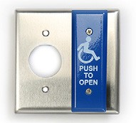
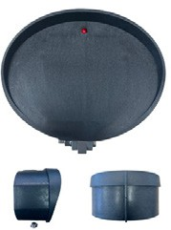
 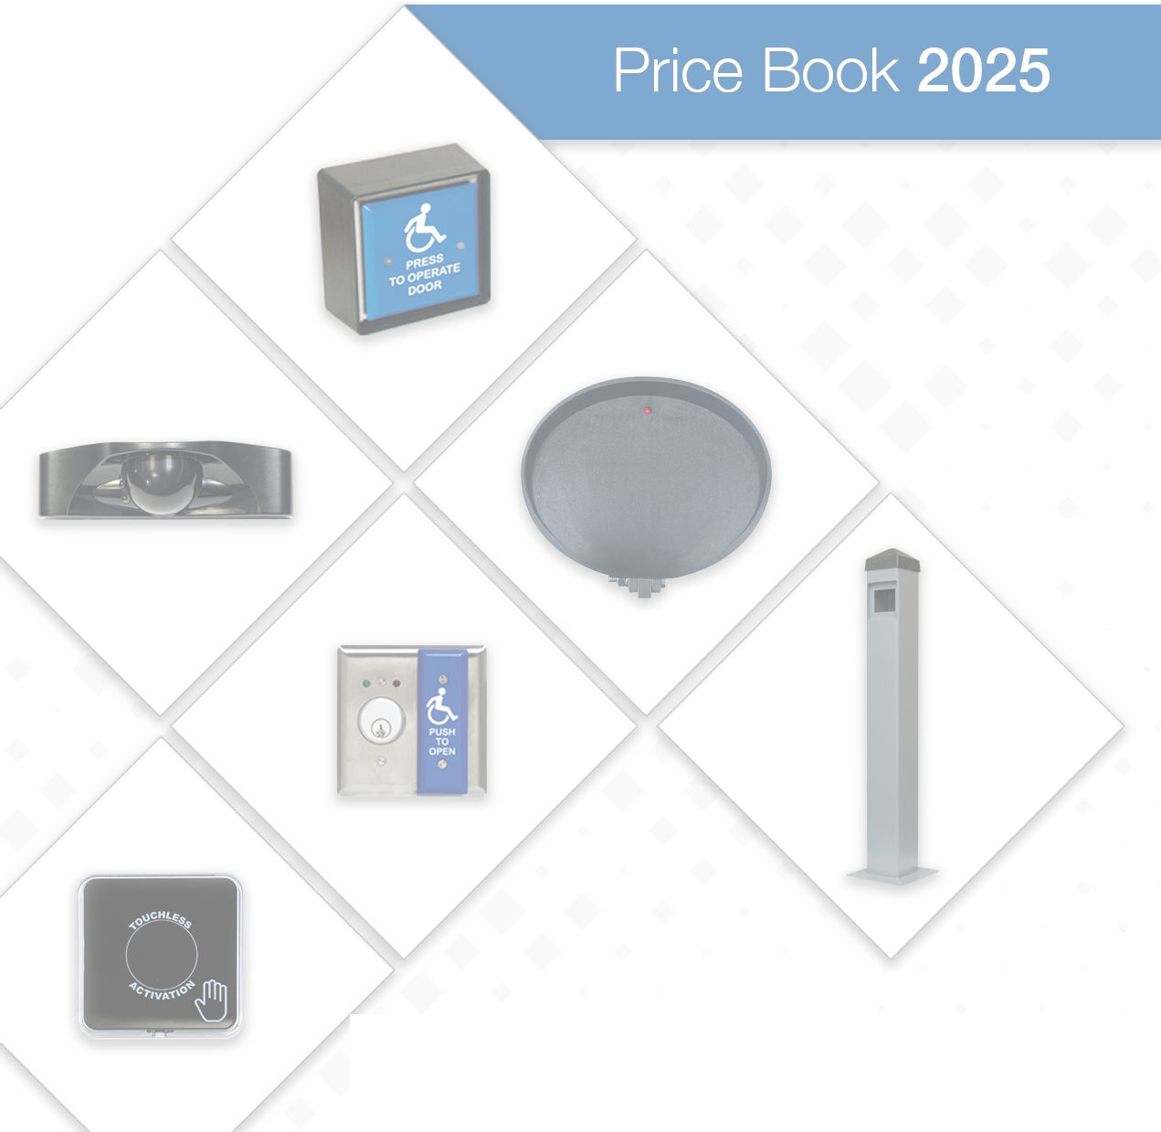 TECHNOLOGY EMPOWERING MOBILITY INNOVATING SWITCH & SENSOR PRODUCTS SINCE 1968

HOW TO ORDER ► CALL 317-842-2545 ► EMAIL custsvc@mssedco.com ► ORDER ONLINE at mssedco.com To access the online store registration submittal form, go to: https://mssedcoshop.godaddysites.com/online-store-registration. DO YOU NEED A RETURN, REPAIR, OR EXCHANGE?
MS SEDCO RETURN AND REPAIR POLICY Warranty Returns All product warranties begin on the MS Sedco original invoice date. • Unused and Unopened Products – 30-day return (RMA must be submitted by 30th day from invoice, customer is responsible for all shipping back to MS Sedco and RMA will have a 15-day acceptance period from issue date) • Unused and Opened Products – not eligible for return • Used Products – not eligible for return • Custom Products (including special finishes) – not eligible for return Customers will pay all freight costs on returns. MS Sedco will only issue credit for returned products – no refunds. (If MS Sedco is at fault they will administer proper credit on a return and refund process at their discretion). Shipping • MS Sedco only schedules shipments via UPS. Standard shipping rates apply, and per MS Sedco policy reflect standard insurance. • MS Sedco will not administer any third-party shipping outside of UPS. MS Sedco is not responsible for any claims via third party as customer assumes all responsibility. |  |  |  | Warranty Repairs All product warranties begin on the MS Sedco original invoice date. Used Products Under Warranty that are deemed faulty in some way, may be returned for assessment by MS Sedco to determine warranty eligibility. Warranties are void if products are found to have been altered by anyone other than MS Sedco. Products will be repaired to proper working order and returned in “cosmetically the same” condition or replaced with re-manufactured products – this is at MS Sedco’s sole discretion. MS Sedco will only pay return ground freight cost. If product inspection reveals that any malfunction or damage is not covered under warranty, MS Sedco will notify customer and provide options at that time. Customers must provide a purchase order prior to repairs commencing. Door Warranty – 3 years (product upgrades not eligible for warranty) Traffic Warranty – 3 years (product upgrades not eligible for warranty)
CONFIDENTIAL DOCUMENT This document may not be posted online without the expressed written consent by MS Sedco. This price book will be updated from time to time and may be subject to change without prior notice.
CONTENTS
SWITCHES 5 49 Series 5 59 Series 6 89 Series 7 614 Series 7 830 Series 8 830 Series Combo Keyswitch/59 Series 8 Switch Options 10 Switch Accessories 10 TOUCHLESS 11 NexGen 11 216 Series 11 Touchless Kits 11 Touchless Accessories 11 RADIO CONTROL PRODUCTS – ClearPath 300/390 MHz 12 Transmitters 12 Receivers 13 ClearPath Kits 13 ClearPath Accessories 13 RADIO CONTROL PRODUCTS – 2.4 GHz 14 Transmitters 14 Receivers 14 Kits 14 |  |  | TIMING MODULES 15 TDM - Time Delay Module 15 PTM - Privacy Time Module 15 Timing Module Accessories 15 SENSORS – DOORS 16 Motion 16 Presence 16 Combination 16 Door Beam 17 Motion Sensor Accessories 17 BOLLARDS 18 608 Series 18 Bollard Accessories 18 DECALS 19 SENSORS – TRAFFIC 20 Vehicle 20 Intersector Interface Products 20 Intersector Accessories 20 Motion 21 Motion Sensor Accessories 21 Presence 21 Misc. Accessories 21
49-H
49-H 49-HSS 49-P
 |  | Built from heavy gauge stainless steel, aircraft quality fasteners, durable, anti-microbial finishes and the most reliable microswitch in the industry, the 49 Series Push Plate Switches provide years of reliable activation to any automatic door.

 |  | PRODUCT FEATURES + Anti-vandal 4.5” square all-active, formed, stainless steel face plate is non-removable with no visible screws + 4.5” formed, stainless steel back plate eliminates possible wall damage from typical use + Custom colors available + Custom legends available + UL listed SPSD switch, N.O. or N.C. 15 Amp @125V AC + Attaches directly to single or 2-gang electrical boxes or MS Sedco surface mount boxes + Wireless options available + Weather resistant standard; IP68 rated waterproof option available
ORDER TODAY Call 317-842-2545 or visit mssedco.com

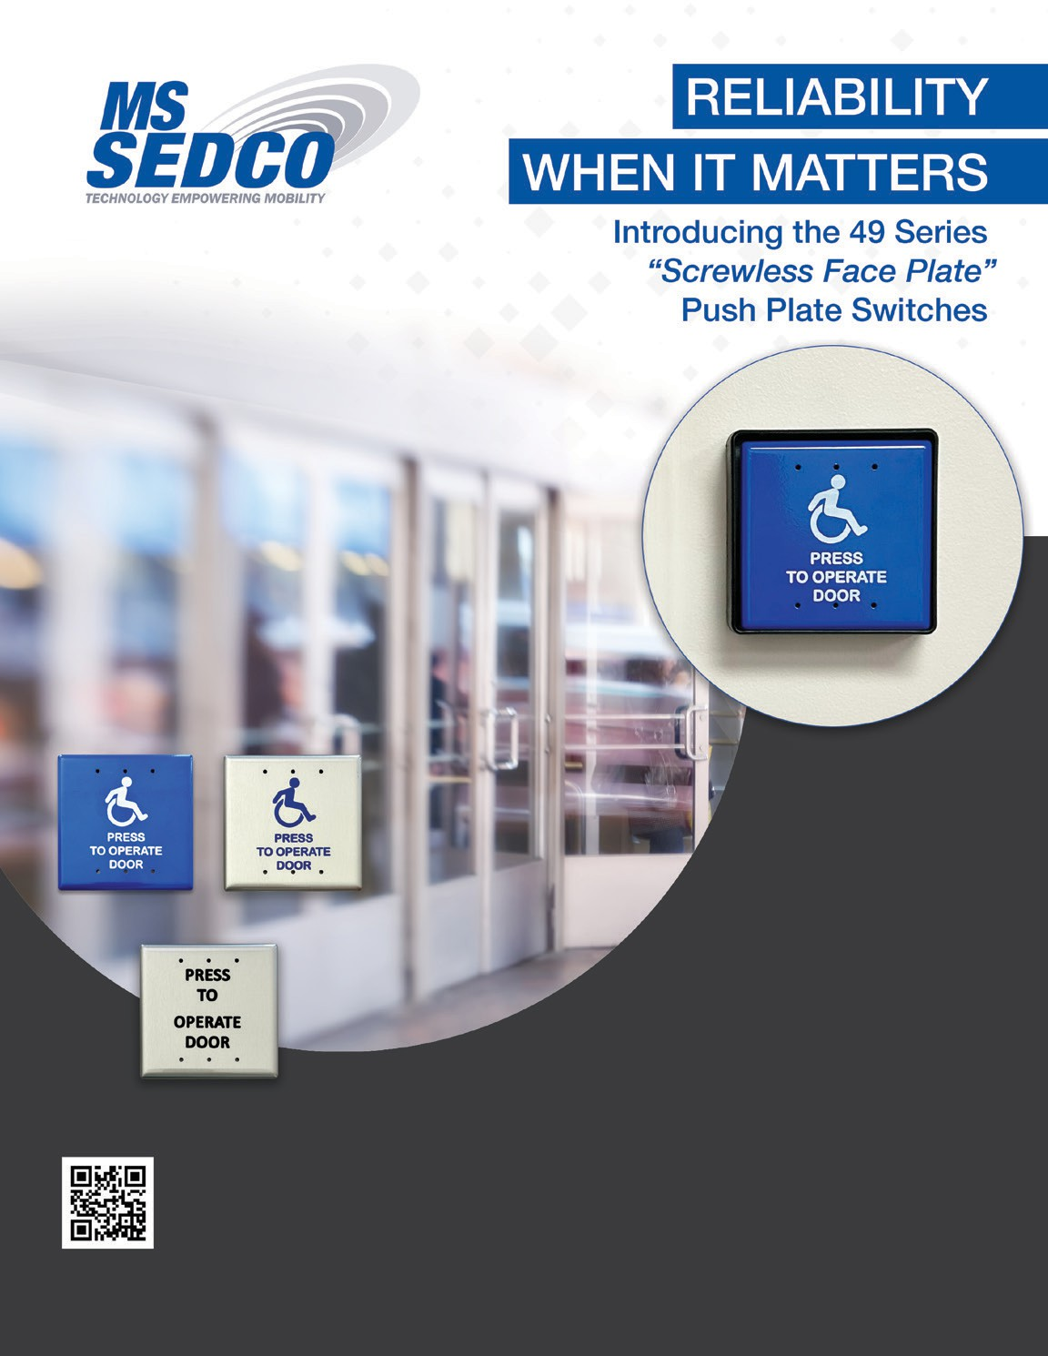

Click on images for additional product information at mssedco.com when applicable. 49 Series Screwless Door Activation Switches
 | PART # | DESCRIPTION |  |  |  | RETAIL |  | YOUR PRICE
4 ½” Square Stainless Steel Switches
49-H 49-HSS 49-P -NY -NY | 49-H | Blue Face Plate WHEELCHAIR/PRESS TO OPERATE DOOR |  |  |  | 80.00 |  | 32.00
 | 49-HSS | Stainless Steel Face Plate WHEELCHAIR/PRESS TO OPERATE DOOR |  |  |  | 80.00 |  | 32.00
 | 49-P | Stainless Steel Face Plate PRESS TO OPERATE DOOR |  |  |  | 80.00 |  | 32.00
 | 49-W | Blue Face Plate WHEELCHAIR |  |  |  | 80.00 |  | 32.00
 | 49-WSS | Stainless Steel Face Plate WHEELCHAIR |  |  |  | 80.00 |  | 32.00
 | 49-PLAIN | Stainless Steel Face Plate NO LEGEND |  |  |  | 80.00 |  | 32.00
 | -NY | Add New York style handicap logo to any switch series. |  |  |  | 80.00 |  | 32.00

Click on images for additional product information at mssedco.com when applicable. 59 Series Door Activation Switches
 | PART # | DESCRIPTION |  |  |  | RETAIL |  | YOUR PRICE
4 ½” Square Stainless Steel Switches
59-H | 59-H | Blue Face Plate WHEELCHAIR/PRESS TO OPERATE DOOR |  |  |  | 80.00 |  | 32.00
 | 59-HSS | Stainless Steel Face Plate WHEELCHAIR/PRESS TO OPERATE DOOR |  |  |  | 80.00 |  | 32.00
 | 59-P | Stainless Steel Face Plate PRESS TO OPERATE DOOR |  |  |  | 80.00 |  | 32.00
 | 59-W | Blue Face Plate WHEELCHAIR |  |  |  | 80.00 |  | 32.00
 | 59-WSS | Stainless Steel Face Plate WHEELCHAIR |  |  |  | 80.00 |  | 32.00
 | 59-PLAIN | Stainless Steel Face Plate NO LEGEND |  |  |  | 80.00 |  | 32.00
4 ½” Round Stainless Steel Switches
59R4-HSS | 59R4-H | Blue Face Plate WHEELCHAIR/PRESS TO OPERATE DOOR |  |  |  | 80.00 |  | 32.00
 | 59R4-HSS | Stainless Steel Face Plate WHEELCHAIR/PRESS TO OPERATE DOOR |  |  |  | 80.00 |  | 32.00
 | 59R4-P | Stainless Steel Face Plate PRESS TO OPERATE DOOR |  |  |  | 80.00 |  | 32.00
 | 59R4-W | Blue Face Plate WHEELCHAIR |  |  |  | 80.00 |  | 32.00
 | 59R4-WSS | Stainless Steel Face Plate WHEELCHAIR |  |  |  | 80.00 |  | 32.00
 | 59R4-PLAIN | Stainless Steel Face Plate NO LEGEND |  |  |  | 80.00 |  | 32.00
6” Round Stainless Steel Switches
59R6-H | 59R6-H | Blue Face Plate WHEELCHAIR/PRESS TO OPERATE DOOR |  |  |  | 89.00 |  | 35.60
 | 59R6-HSS | Stainless Steel Face Plate WHEELCHAIR/PRESS TO OPERATE DOOR |  |  |  | 89.00 |  | 35.60
 | 59R6-P | Stainless Steel Face Plate PRESS TO OPERATE DOOR |  |  |  | 89.00 |  | 35.60
 | 59R6-W | Blue Face Plate WHEELCHAIR |  |  |  | 89.00 |  | 35.60
 | 59R6-WSS | Stainless Steel Face Plate WHEELCHAIR |  |  |  | 89.00 |  | 35.60
 | 59R6-PLAIN | Stainless Steel Face Plate NO LEGEND |  |  |  | 89.00 |  | 35.60
1 11/16” x 4 ½” Stainless Steel Jamb Switches
59J-HSS | 59J-H | Blue Face Plate WHEELCHAIR/PUSH TO OPEN |  |  |  | 76.00 |  | 30.40
 | 59J-HSS | Stainless Steel Face Plate WHEELCHAIR/PUSH TO OPEN |  |  |  | 76.00 |  | 30.40
 | 59J-P | Stainless Steel Face Plate PUSH TO OPEN |  |  |  | 76.00 |  | 30.40
 | 59J-W | Blue Face Plate WHEELCHAIR |  |  |  | 76.00 |  | 30.40
 | 59J-WSS | Stainless Steel Face Plate WHEELCHAIR |  |  |  | 76.00 |  | 30.40
 | 59J-PLAIN | Stainless Steel Face Plate NO LEGEND |  |  |  | 76.00 |  | 30.40
 | 59J-E-R | Red Face Plate PUSH TO EXIT |  |  |  | 76.00 |  | 30.40
Click on images for additional product information at mssedco.com when applicable. 59 Series Door Activation Switches continued
 | PART # | DESCRIPTION |  |  |  | RETAIL |  | YOUR PRICE
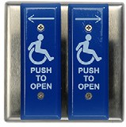 59V-H 59V-HSS | 59V-H | 2 Blue Face Plates WHEELCHAIR/PUSH TO OPEN/ARROWS |  |  |  | 160.00 |  | 64.00
 | 59V-HSS | 2 Stainless Steel Face Plates WHEELCHAIR/PUSH TO OPEN/ ARROWS |  |  |  | 160.00 |  | 64.00
 | 59V-P | 2 Stainless Steel Face Plates PUSH TO OPEN/ARROWS |  |  |  | 160.00 |  | 64.00
 | 59V-W | 2 Blue Face Plates WHEELCHAIR/ARROWS |  |  |  | 160.00 |  | 64.00
 | 59V-WSS | 2 Stainless Steel Face Plates WHEELCHAIR/ARROWS |  |  |  | 160.00 |  | 64.00
 | 59V-PLAIN | 2 Stainless Steel Face Plates NO LEGEND |  |  |  | 160.00 |  | 64.00

89 Series Door Activation Switches
 | PART # | DESCRIPTION |  |  |  | RETAIL |  | YOUR PRICE
4 ½” Square Switches and Heat Resistant Acrylic Face Plate
 89-H | 89-H | Blue Acrylic Face Plate WHEELCHAIR/PRESS TO OPERATE DOOR |  |  |  | 80.00 |  | 32.00
 | 89-HSS | Silver Acrylic Face Plate WHEELCHAIR/PRESS TO OPERATE DOOR |  |  |  | 80.00 |  | 32.00

614 Series Door Activation Switches
 | PART # | DESCRIPTION |  |  |  | RETAIL |  | YOUR PRICE
1” Diameter Red Piezo Button Switch is waterproof and built to withstand any environment. Patented piezo technology has no moving parts making this switch virtually indestructible. Includes WHEELCHAIR and PUSH TO OPEN self-sticking MYLAR decals.
614-SS / 614-NSS | 614-SS | 4 1⁄2” Square Stainless Steel Face Plate |  |  |  | 130.00 |  | 52.00
 | 614-NSS | 1 11/16” x 4 1⁄2” Stainless Steel Face Plate |  |  |  | 130.00 |  | 52.00

Click on images for additional product information at mssedco.com when applicable. 830 Series Door Activation Switches
 | PART # | DESCRIPTION |  |  |  | RETAIL |  | YOUR PRICE
Rugged Keyswitches with SPDT switch in a choice of either momentary contact or maintained contact. For ultimate durability, the integral lock cylinder cover provides a key “dead stop” and protects against wires becoming tangled in the locking mechanism. Includes a stainless steel face plate.
830-A / 830-AL | 830-A | Maintained Keyswitch & 4 1⁄2” Square Face Plate |  |  |  | 75.00 |  | 30.00
 | 830-B | Momentary Keyswitch & 4 1⁄2” Square Face Plate (Fits Single & 2-Gang Boxes) |  |  |  | 75.00 |  | 30.00
 | 830-AL | Maintained Keyswitch & 2 3⁄4” x 4 1⁄2” Face Plate |  |  |  | 75.00 |  | 30.00
 | 830-BL | Momentary Keyswitch & 2 3⁄4” x 4 1⁄2” Face Plate (Fits Single-Gang Box) |  |  |  | 75.00 |  | 30.00
 | 830-AN | Maintained Keyswitch 1 11/16” x 4 1⁄2” Face Plate |  |  |  | 75.00 |  | 30.00
 | 830-BN | Momentary Keyswitch 1 11/16” x 4 1⁄2” Face Plate (Fits 1 3⁄4” Door Frame) |  |  |  | 75.00 |  | 30.00
 | -RG | Add RG to any of the part numbers to include red or green LED options. |  |  |  | 40.00 Add |  | 16.00
830 Series Combo Keyswitch/59 Series
 | PART # | DESCRIPTION |  |  |  | RETAIL |  | YOUR PRICE
Rugged 830 Series Keyswitch and 59J Series Jamb Switch are integrated onto a single 4 1⁄2” square stainless steel back plate. Mounts to a 2-gang electrical box.
830A-59J-H | 830A-59J-H | Maintained Keyswitch & 59J-H |  |  |  | 141.00 |  | 56.40
 | 830B-59J-H | Momentary Keyswitch & 59J-H |  |  |  | 141.00 |  | 56.40
 | 830A-59J-HSS | Maintained Keyswitch & 59J-HSS |  |  |  | 141.00 |  | 56.40
 | 830B-59J-HSS | Momentary Keyswitch & 59J-HSS |  |  |  | 141.00 |  | 56.40
 | 830A-59J-P | Maintained Keyswitch & 59J-P |  |  |  | 141.00 |  | 56.40
 | 830B-59J-P | Momentary Keyswitch & 59J-P |  |  |  | 141.00 |  | 56.40
 | 830A-59J-W | Maintained Keyswitch & 59J-W |  |  |  | 141.00 |  | 56.40
 | 830B-59J-W | Momentary Keyswitch & 59J-W |  |  |  | 141.00 |  | 56.40
 | 830A-59J-WSS | Maintained Keyswitch & 59J-WSS |  |  |  | 141.00 |  | 56.40
 | 830B-59J-WSS | Momentary Keyswitch & 59J-WSS |  |  |  | 141.00 |  | 56.40
 | 830A-59J-PLAIN | Maintained Keyswitch & 59J-PLAIN |  |  |  | 141.00 |  | 56.40
 | 830B-59J-PLAIN | Momentary Keyswitch & 59J-PLAIN |  |  |  | 141.00 |  | 56.40
 | -RG | Add RG to any of the part numbers to include red or green LED options. |  |  |  | 40.00 Add |  | 16.00
49-H 49-HSS 49-P 59-H 59R4-HSS 59R6-H 59J-HSS 59V-H 59V-HSS 89-H 49-H-NY 49-HSS-NY

ORDER TODAY Call 317-842-2545 or visit mssedco.com
 |  | Add the maximum layer of protection to every switch.

 |  | PRODUCT FEATURES + IP68 rated waterproofing upgrade available for 49, 59, 59J, 59V & 89 series switches + Maximum protection, submersible, dustproof, and designed for outdoor use

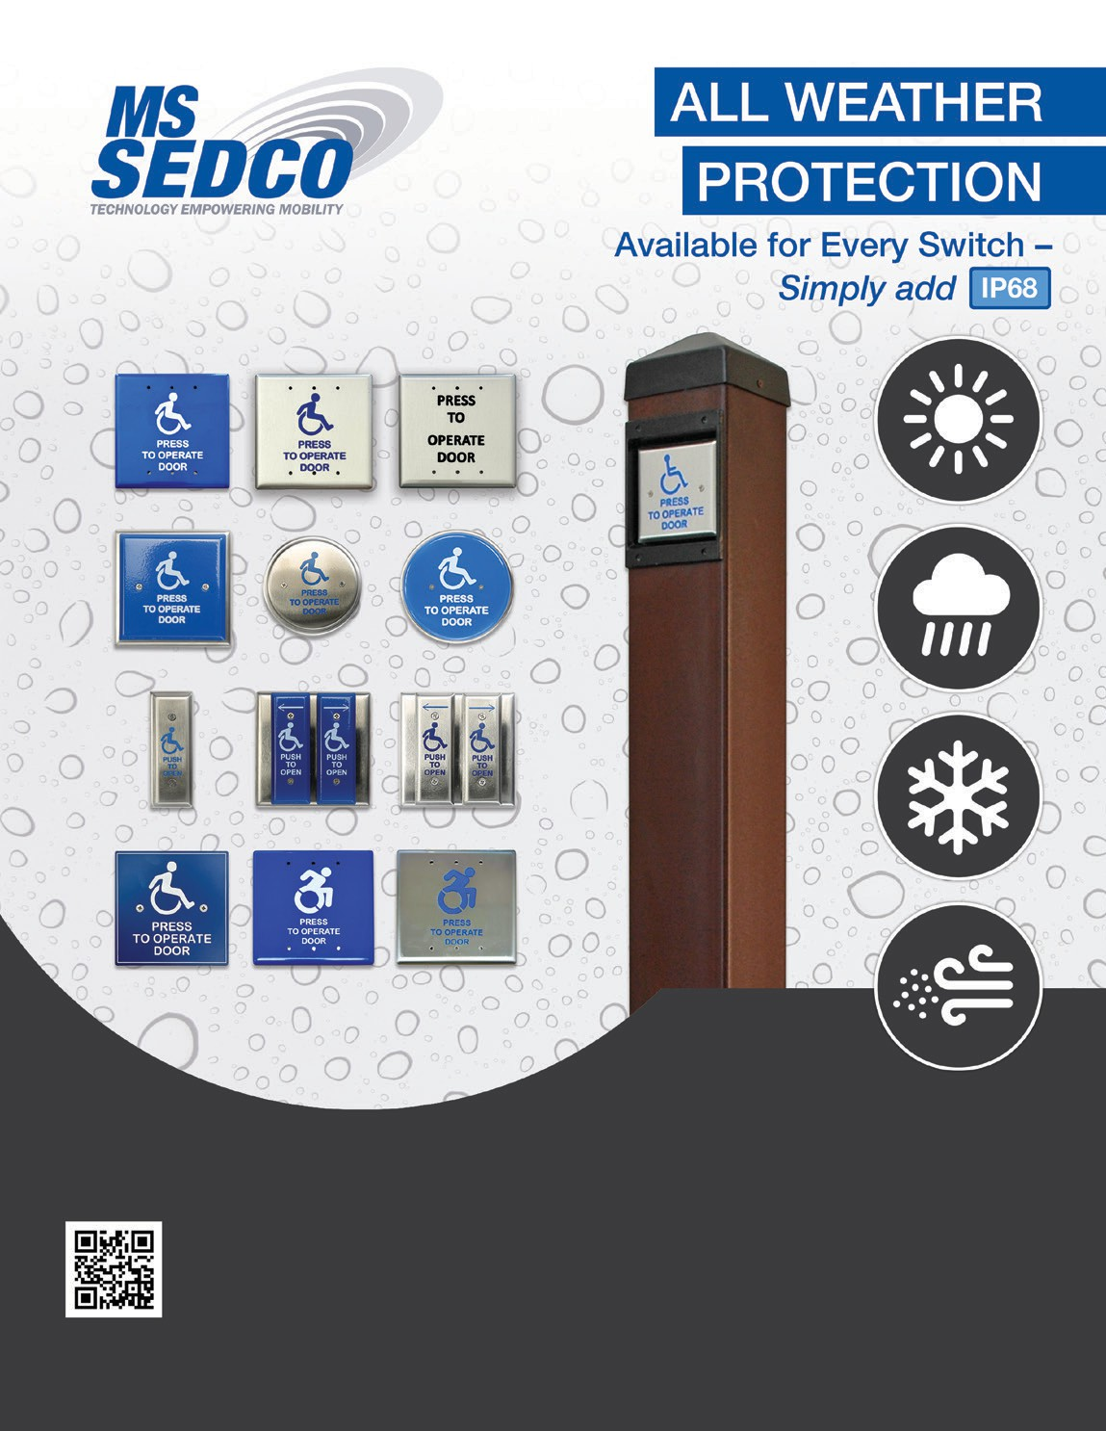

SWITCHES Click on images for additional product information at mssedco.com when applicable. Switch Options
PART # | DESCRIPTION |  |  |  |  | RETAIL | YOUR PRICE
-DPDT | Double Pole Double Throw switch. Add suffix DPDT to part number (example: 59-H-DPDT). |  |  |  |  | 16.00 | 6.40
-IP68 | Weatherproof option for all switches (49, 59, and 89 series). |  |  |  |  | 40.00 | 16.00
59-XXX | For “Face Plate Only”, add “-PO” to the part number. Excludes custom face plates and dual vestibule switches. |  |  |  |  | 47.00 | 18.80
59-XXX | For “Face Plate Only”, on vestibule dual switch assemblies, add “-PO” to the part num- ber. Excludes custom face plates. |  |  |  |  | 95.00 | 38.00
59-Custom Plate | Switch with custom printed face plate. One time set up fee of $100. Call for pricing. More colors available. |  |  |  |  | Call for pricing | XX.XX
-NY | Add New York style handicap logo to any switch series. |  |  |  |  | XX.XX | XX.XX
Switch Accessories
PART # | DESCRIPTION |  |  |  |  | RETAIL | YOUR PRICE
ESC-59R4 | Escutcheon Plate for 59R4 Series Switches. Attractive stainless steel plates that can be surface mounted directly to the wall or attached to a single-gang or 2-gang electrical box. |  |  |  |  | 79.00 | 31.60
ESC-59R6 | Escutcheon Plate for 59R6 Series Switches. Attractive stainless steel plates that can be surface mounted directly to the wall or attached to a single-gang or 2-gang electrical box. |  |  |  |  | 89.00 | 35.60
E13-25JA | UL listed replacement SPDT micro-switch. Includes mounting nuts and spring. |  |  |  |  | 14.00 | 5.60
E19-00J | UL listed DPDT micro-switch. Includes mounting nuts and spring |  |  |  |  | 29.00 | 11.60
HDWE-XX | Screw packs for mounting switches. Specify switch series. |  |  |  |  | 5.00 | 2.00
HDWE-SECURITY-XX | Screw packs for security mounting switches. Specify switch series. |  |  |  |  | 5.00 | 2.00
Surface Mount Boxes / Exterior Grade Polycarbonate
1035 1010 1020 1025 1030
1035 | One piece mounting box. 2” deep jamb box. Compatible with 59J Series switches and many other switches designed for jamb mount. |  |  |  |  | 35.00 | 14.00
1010 | Two piece mounting box. 2 Piece design makes battery replacement quick and easy for wireless applications. Compatible with 59J & 614-NSS Series switches. |  |  |  |  | 35.00 | 14.00
1015 | Two piece mounting box. 2 Piece design makes battery replacement quick and easy for wireless applications. Compatible with 59, 59V, 1078, 216, 830, & 614 series switches. |  |  |  |  | 37.00 | 14.80
1020 | Two piece mounting box. 2 Piece design makes battery replacement quick and easy for wireless applications. Compatible with 59, 216, & 614 Series switches. |  |  |  |  | 37.00 | 14.80
1025 | Two piece mounting box. 2 Piece design makes battery replacement quick and easy for wireless applications. Round boxes compatible with all 59R4 Series switches. |  |  |  |  | 37.00 | 14.80
1030 | Two piece mounting box. 2 Piece design makes battery replacement quick and easy for wireless applications. Round boxes compatible with all 59R6 Series switches. |  |  |  |  | 37.00 | 14.80
TOUCHLESS Click on images for additional product information at mssedco.com when applicable. NexGen Touchless Switches
 | PART # | DESCRIPTION |  |  |  | RETAIL |  | YOUR PRICE
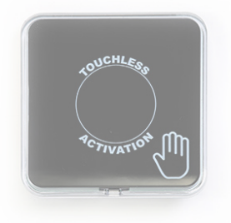 NG-IR-A | NGS-IR-A | NexGen Infrared WIRELESS Touchless Activation Switch. Replaceable battery with estimated 3-year battery life. |  |  |  | 295.00 |  | 118.00
 | NG-IR-A | NexGen Infrared WIRED Touchless Activation Switch. Can also be used with the 2WIRE MODULE. |  |  |  | 213.00 |  | 85.20

216 Series Touchless Switches
 | PART # | DESCRIPTION |  |  |  | RETAIL |  | YOUR PRICE
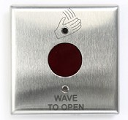 216 | 216 | IR Switch & 4 1⁄2” Face Plate (Fits Single & 2-Gang Junction Boxes) Can also be used with the 2WIRE MODULE. |  |  |  | 257.00 |  | 102.80
 | 216-L | IR Switch & 2 3⁄4” x 4 1⁄2” Face Plate (Fits Single-Gang Box) Can also be used with the 2WIRE MODULE. |  |  |  | 257.00 |  | 102.80
 | 216-N | IR Switch & 1 11/16” x 4 1⁄2” Face Plate (Fits 1 3⁄4” Door Frame) Can also be used with the 2WIRE MODULE. |  |  |  | 257.00 |  | 102.80

Touchless Kits
 | PART # | DESCRIPTION |  |  |  | RETAIL |  | YOUR PRICE
STK-NGS-IR-A | 2WIRE-216 | Single Door Wired Kit - 2:216, 1:2WIRE MODULE |  |  |  | 578.00 |  | 231.20
 | 2WIRE-216L | Single Door Wired Kit - 2:216-L, 1:2WIRE MODULE |  |  |  | 578.00 |  | 231.20
 | 2WIRE-216N | Single Door Wired Kit - 2:216-N, 1:2WIRE MODULE |  |  |  | 578.00 |  | 231.20
 | 2WIRE-NG-IR-A | Single Door Wired Kit - 2:NG-IR-A, 1:2WIRE MODULE |  |  |  | 470.00 |  | 188.00
 | STK-NGS-IR-A | Single Door IR Kit - 2:NGS-IR-A; 1:S-COR |  |  |  | 742.00 |  | 296.80

Touchless Accessories
 | PART # | DESCRIPTION |  |  |  | RETAIL |  | YOUR PRICE
S-COR | S-COR | Spectrum S-COR Coordinator- functions similar to the stan- dard radio control receiver. Provides two outputs. Compatible with NexGen NGS-IR-A and all S-TRX transceivers. 2.4 GHz frequency provides superior activation reliability. Pairs with up to 64 transceivers. |  |  |  | 219.00 |  | 87.60
 | 2WIRE MODULE | 2WIRE Module: Enable power and signal with the use of 2 wires only. Great solution when retrofitting from a push plate to a wired touchless switch. |  |  |  | 129.00 |  | 51.60
 | 1015-A | Angled mounting box for direct sunlight mounting of NG and NGS switches. |  |  |  | 60.00 |  | 24.00
 | NGS-RPL-BAT | Replacement battery for NGS-IR-A. QTY 5 No Discount Eligible |  |  |  | 45.00 |  | 45.00
Universal radio control products. All products feature selectable frequencies: HDRCTM, 300 MHz and 390 MHz. ClearPath provides the most reliable wireless activation of automatic doors. Click on images for additional product information at mssedco.com when applicable. ClearPath Transmitters
 | PART # | DESCRIPTION |  |  |  | RETAIL |  | YOUR PRICE
All transmitters feature SignalLockTM that will guarantee the radio signal is transmitted every time a switch is activated.
 | CP-TX (59) |  |  |  |  | 95.00 |  | 38.00
 | CP-TX-R4 (59R4) | Wall mount transmitters. Complete with transmitter, integrated signal enhancing antennas, wire harness and 9V battery installed in a surface mounting box. For 1015 surface box, specify CP/TX-1015. |  |  |  | 95.00 |  | 38.00
 | CP-TX-R6 (59R6) |  |  |  |  | 95.00 |  | 38.00
CP/TX (59) | CP-STX(59) | Vestibule sequencing transmitters. Vestibule sequencing version of the CP/TX. Sequence the opening of vestibule doors one after the other from either direction. For 1015 surface box, specify CP/STX-1015. |  |  |  | 125.00 |  | 50.00
 | CP-STX-R4(59R4) |  |  |  |  | 125.00 |  | 50.00
 | CP-STX-R6(59R6) |  |  |  |  | 125.00 |  | 50.00
 | CP-TX-J | Jamb mount transmitter. Complete with transmitter, wire harness and 9V battery installed in the 1010 jamb surface mounting box. |  |  |  | 95.00 |  | 38.00
CP/STX | CP-STX-J | Jamb sequencing transmitter. Vestibule sequencing version |  |  |  | 125.00 |  | 50.00
CP/TX-J |  | of the CP/TX-J. Sequence the opening of vestibule doors one after the other from either direction.
 | CP-TX-V | Dual transmitters. Complete with 2 transmitters, wire harnesses and 9V batteries installed in the 1015 surface mounting box. Individually operate 2 doors in a vestibule when used in combination with the 59V Vestibule Series Switches. |  |  |  | 176.00 |  | 70.40
 | CP-TX-P | Bollard transmitter. Complete with transmitter, wire harness and 9V battery installed on a mounting platform that spans the top of the 608 Series Post assembly. |  |  |  | 95.00 |  | 38.00
CP/TX-HH1 CP/TX-HH2 | CP-STX-P | Bollard sequencing transmitter. Vestibule sequencing ver- sion of the CP/TX-P. Sequence the opening of vestibule doors one after the other from either direction via 608 Series Posts. |  |  |  | 125.00 |  | 50.00
 | CP-TX-VP | Bollard dual transmitter. Complete with 2 transmitters, wire harnesses and 9V batteries installed on a mounting platform that spans the top of the 608 Series post assembly. Individually operate 2 doors in a vestibule when used in combination with the 608 Series Vestibule Posts. |  |  |  | 181.00 |  | 72.40
 | CP-TX-PCB | ClearPath transmitter only - no box |  |  |  | 90.00 |  | 36.00
 | CP-TX-HH1 | Handheld Micro-Transmitter. 1-button micro-transmitter combines small overall size with a large easy to activate button. Small enough to wear on a neck chain (included). |  |  |  | 99.00 |  | 39.60
 | CP-TX-HH2 | Handheld Micro-Transmitter. 2-button micro-transmitter combines small overall size with 2 large easy to activate buttons. Small enough to wear on a neck chain (included). |  |  |  | 107.00 |  | 42.80
* Switches sold separately.
Universal radio control products. All products feature selectable frequencies: HDRCTM, 300 MHz and 390 MHz. ClearPath provides the most reliable wireless activation of automatic doors. Click on images for additional product information at mssedco.com when applicable. ClearPath Receivers
 | PART # | DESCRIPTION |  |  |  | RETAIL |  | YOUR PRICE
3 selectable frequencies: HDRCTM, 300 MHz, 390 MHz plus ClearPathTM receivers are capable of being programmed to one of four different modes: Mode 1: Standard Receiver Mode 2: Receiver with adjustable time delay 0-20 seconds Mode 3: Dual Receiver Mode 4: Receiver with 2 sequenced outputs & delay 0-20 seconds Mode 5: Receiver with ratchet relay output
CP/RX | CP-RX | Multi-Mode Receiver. Compact Receiver: Includes Mode 1 & 2. |  |  |  | 99.00 |  | 39.60
 | CP-RXM | Multi-Mode Receiver with Sequenced Output. Compact Receiver: Includes Mode 1, 2, 3 & 4. RXM provides sequenced output which allows processes such as releasing a lock before activating an opener. |  |  |  | 139.00 |  | 55.60
 | CP-RXR | Multi-Mode Receiver with Ratcheting Relay. Compact Receiver: Includes Mode 1, 2, & 5. RXR provides ratcheting relay which allows for a continuous output until a second activation signal is received. |  |  |  | 111.00 |  | 44.40
ClearPath Kits
CTP-H CTP-R4-H CTP-R6-HSS CTP-J-HSS CTP-HSS CTP-P
PART # | DESCRIPTION |  |  |  |  | RETAIL |  | YOUR PRICE
CTP-X | Single Door Kit - 2:59-X; 2:CP/TX; 1:CP/RX |  |  |  |  | 407.00 |  | 162.80
CTP-R4-X | Single Door Kit - 2:59R4-X; 2:CP/TX-R4; 1:CP/RX |  |  |  |  | 407.00 |  | 162.80
CTP-R6-X | Single Door Kit - 2:59R6-X; 2:CP/TX-R6; 1:CP/RX |  |  |  |  | 433.00 |  | 173.20
CTP-J-X | Single Door Kit - 2:59J-X; 2:CP/TX-J; 1:CP/RX |  |  |  |  | 399.00 |  | 159.60
CTP-XV | Vestibule Kit - 2:59-X; 2:CP/STX; 1:59V-X; 1:CP/TX-V; 2:CP/RX |  |  |  |  | 829.00 |  | 331.60
CTP-J-XV | Vestibule Kit - 2:59J-X; 1:59V-X; 2:CP/STX-J; 1:CP/TX-V; 2:CP/RX |  |  |  |  | 829.00 |  | 331.60
CTP2-X | Dual Door Kit -4:59-X; 4:CP/TX; 1:CP/RX |  |  |  |  | 796.00 |  | 318.40
* For Push Plate Kits *X* = Specify push plate style “H”, “HSS”, “P”, “W” and “WSS”. ClearPath Accessories
PART # | DESCRIPTION |  |  |  |  | RETAIL |  | YOUR PRICE
RXM | Plug-in module kit to field activate Mode 3 & 4. |  |  |  |  | 50.00 |  | 20.00
RADIO CONTROL PRODUCTS - 2.4 GHz Click on images for additional product information at mssedco.com when applicable. Transmitters
 | PART # | DESCRIPTION |  |  |  | RETAIL |  | YOUR PRICE
S-TRX S-TRX-HH | S-TRX | 2.4 GHz transceiver, 1020 box, wire harness, 9v battery |  |  |  | 142.00 |  | 56.80
 | S-TRX-R4 | 2.4 GHz transceiver, 1025 box, wire harness, 9v battery |  |  |  | 142.00 |  | 56.80
 | S-TRX-R6 | 2.4 GHz transceiver, 1030 box, wire harness, 9v battery |  |  |  | 142.00 |  | 56.80
 | S-TRX-J | 2.4 GHz jamb-mount transceiver, 1010 box, wire harness, 9v battery. |  |  |  | 142.00 |  | 56.80
 | S-TRX-V | 2) 2.4 GHz transceivers, 1015 box, wire harnesses, 9v battery. |  |  |  | 264.00 |  | 105.60
 | S-TRX-P | 2.4 GHz transceiver, wire harness, and 9v battery installed on a mounting platform that spans the top of a 608 Series post assembly. |  |  |  | 142.00 |  | 56.80
 | S-TRX-VP | (2) 2.4 GHz transceivers, wire harness, and 9v battery installed on a mounting platform that spans the top of a 608 Series post assembly. |  |  |  | 264.00 |  | 105.60
 | S-TRX-HH | 1-button hand-held transceiver with lanyard. |  |  |  | 163.00 |  | 65.20
* Switches sold separately. Receivers
 | PART # | DESCRIPTION |  |  |  | RETAIL |  | YOUR PRICE
S-TRX-HH | S-COR | 2.4 GHz S-COR Coordinator- functions similar to the standard radio control receiver. Provides two outputs. Compatible with NexGen NGS-IR-A and all S-TRX transceivers. Pairs with up to 64 transceivers. |  |  |  | 219.00 |  | 87.60

Kits
PART # | DESCRIPTION |  |  |  |  | RETAIL |  | YOUR PRICE
2.4 GHz Dual-Switch Kits.
STK-NGS-IR-A | Wireless Single Door Kit - 2:NGS-IR-A, 1: S-COR |  |  |  |  | 742.00 |  | 296.80
STK-X | Single Door Kit - 2:59-X; 2:S-TRX; 1:S-COR |  |  |  |  | 589.00 |  | 235.60
STK-R4-X | Single Door Kit - 2:59R4-X; 2:S-TRX; 1:S-COR |  |  |  |  | 589.00 |  | 235.60
STK-R6-X | Single Door Kit - 2:59R6-X; 2:S-TRX; 1:S-COR |  |  |  |  | 589..00 |  | 235.60
STK-J-X | Single Door Kit - 2:59J-X; 2:S-TRX; 1:S-COR |  |  |  |  | 589.00 |  | 235.60
STK-XV | Vestibule Kit - 2:59-X; 2:S-TRX; 1:59V-X; 1:S-TRX-V; 2:S-COR |  |  |  |  | 1,130.00 |  | 452.00
STK-J-XV | Vestibule Kit - 2:59J-X; 1:59V-X; 2:S-TRX-J; 1:S-TRX-V; 2:S-COR |  |  |  |  | 1,130.00 |  | 452.00
* For Push Plate Kits *X* = Specify push plate style “H”, “HSS”, “P”, “W” and “WSS”.
TIMING MODULES Click on images for additional product information at mssedco.com when applicable. TDM - Time Delay Module
 | PART # | DESCRIPTION |  |  |  | RETAIL |  | YOUR PRICE
TDM | TDM | Time Delay Module. Universal Time Delay Module provides up to 4 inputs that can be converted to sequential relay outputs. Each output is adjustable 0-99 seconds. The TDM can add additional time of 0-99 seconds, sequence electric locks and automatic doors or sequence vestibule doors all from a single device. |  |  |  | 125.00 |  | 50.00
 | TDM-HC | High-Current Time Delay Module. TDM with both output relays rated for a current inrush of 20 amps, making the TDM- HC compatible with all common locking devices. |  |  |  | 194.00 |  | 77.60
PTM - Privacy Timing Module
PART # | DESCRIPTION |  |  |  |  | RETAIL |  | YOUR PRICE
The Privacy Timing Module (PTM) is a timing module that allows users to control an automatic door operator for a room where privacy is a concern, such as a washroom, restroom, clean room, or photo development room. From the outside of the room, users are able to activate the door. Once inside, users are able to lock the door which prevents access from the outside “push to open” button. When egress is desired, the user presses an inside “push to open” button which deactivates the lock and activates the door. A keyswitch override is present on the exterior, as well as LEDs to indicate if the room is occupied.
PTM | Module and wire harness only. |  |  |  |  | 174.00 |  | 69.60
PTM-KIT | Includes module, wire harness, interior dual switch (59V-PTM), exterior combo switch (830B-59J-PTM), and door position switch. |  |  |  |  | 405.00 |  | 162.00
Click on images for additional product information at mssedco.com when applicable. Motion Sensors (Activation Only)
 | PART # | DESCRIPTION |  |  |  | RETAIL |  | YOUR PRICE
MicroStar VPR-27 | MicroStar | Microwave motion sensor with Human Presence RadarTM (HPR) for activating all types of automatic doors. HPR helps to maintain detection of extremely slow moving individuals in approach zone of the door. |  |  |  | 285.00 |  | 114.00
 | VPR-27 | Short Range Sensor High-mount microwave motion sensor with detection range of approximately 60 feet |  |  |  | 800.00 |  | 400.00
Presence Sensors (Safety Only)
 | PART # | DESCRIPTION |  |  |  | RETAIL |  | YOUR PRICE
DH100 | DH-400 | Active infrared presence sensor for pedestrian doors. Not monitoring capable. |  |  |  | 414.00 |  | 165.60
 | DH100-CT | Active infrared presence sensor for pedestrian doors. Presence monitoring capable. |  |  |  | 373.00 |  | 149.20
 | SSS-5L1 | Door-mounted monitored infrared presence sensor: 40” housing length. |  |  |  | 502.00 |  | 200.80
 | SSS-5M1 | Door-mounted monitored infrared presence sensor: 27” housing length. |  |  |  | 490.00 |  | 196.00
Combination Sensors (Activation and Safety)
 | PART # | DESCRIPTION |  |  |  | RETAIL |  | YOUR PRICE
3H-IR14C SSR-3F | 3H-IR14C | Active infrared presence sensor for pedestrian doors. Presence monitoring capable. |  |  |  | 305.00 |  | 122.00
 | SSR-3F/BL | Microwave & active infrared sensor. Presence monitoring capable. |  |  |  | 357.00 |  | 142.80

Click on images for additional product information at mssedco.com when applicable. Door Beam Sensors (Not Monitoring Capable)
 | PART # | DESCRIPTION |  |  |  | RETAIL |  | YOUR PRICE
DB-11 | DB-11 | Flush-mount infrared emitter and receiver safety beam set with a 0’ to 40’ range and GDB mounting brackets included. |  |  |  | 163.00 |  | 65.20
 | GD11-GDB | Surface-mount infrared emitter and receiver safety beam set with a 0’ to 40’ range and GDB mounting brackets included. |  |  |  | 184.00 |  | 73.60
 | HP2 | Infrared modular beam system consists of one control module, 2 transmitter beams with cables and 2 receiver beams with cables. |  |  |  | 180.00 |  | 72.00
Motion Sensor Accessories
PART # | DESCRIPTION |  |  |  |  | RETAIL |  | YOUR PRICE
12024 | 24V AC transformer. |  |  |  |  | 30.00 |  | 12.00
MS-BDB | Microstar- universal mounting bracket. |  |  |  |  | 30.00 |  | 12.00
MSRC | Microstar- rain cover. |  |  |  |  | 48.00 |  | 19.20
WC-ID-BL | Molded plastic rain cover for DH400 & DH100. |  |  |  |  | 88.00 |  | 35.20
BOLLARDS Click on images for additional product information at mssedco.com when applicable. 608 Series Bollards
 | PART # | DESCRIPTION |  |  | RETAIL |  | YOUR PRICE
Heavy duty construction. Each bollard is made from 1/8” thick tubular steel with a two-coat industrial grade exterior powder coated finish; these switch bollards are the most durable available. 608 Bollard assembly includes: 5”x5”x42” Bollard w/LongLifeTM Finish, Rugged Polycarbonate Cap and ABS Plastic Rust Shield. Steel “U” Shaped Surface Mounting Shoe is included standard.
 | 608-NP-NT-GR-SM | Bollard & Cap Assy, No Switch Prep, No Transmitter, Gray, Surface Mount. |  |  | 446.00 |  | 178.40
 | 608-NP-NT-BR-SM | Bollard & Cap Assy, No Switch Prep, No Transmitter, Dk Bronze, Surface Mount. |  |  | 446.00 |  | 178.40
 | 608-SP-NT-GR-SM | Bollard & Cap Assy, Flush Switch Prep, No Transmitter, Gray, Surface Mount. |  |  | 394.00 |  | 157.60
 | 608-SP-NT-BR-SM | Bollard & Cap Assy, Flush Switch Prep, No Transmitter, Dk Bronze, Surface Mount. |  |  | 394.00 |  | 157.60
 | 608-RP-NT-GR-SM | Bollard & Cap Assy, Recessed Switch Prep, No Transmitter, Gray, Surface Mount. |  |  | 499.00 |  | 199.60
 | 608-RP-NT-BR-SM | Bollard & Cap Assy, Recessed Switch Prep, No Transmitter, Dk Bronze, Surface Mount. |  |  | 499.00 |  | 199.60
ADD OPTIONS:
XXX-XX-XX-XX-IG | Replace Surface Mount Shoe with In-ground Shoe. |  |  |  | 49.00 |  | 19.60
XXX-XX-CT-XX-XX | Add (1) 300/390 MHz Transmitter. |  |  |  | 95.00 |  | 38.00
XXX-XX-CS-XX-XX | Add (1) 300/390 MHz Sequencing Transmitter. |  |  |  | 126.00 |  | 50.40
XXX-XX-CV-XX-XX | Add (2) 300/390 MHz Transmitters. |  |  |  | 182.00 |  | 72.80
XXX-XX-ST-XX-XX | Add (1) 2.4 GHz Transmitter. |  |  |  | 139.00 |  | 55.60
XXX-XX-SV-XX-XX | Add (2) 2.4 GHz Transmitters. |  |  |  | 264.00 |  | 105.60
608-CUSTOM | Contact Factory for Customized Options. |  |  |  | call for pricing |  | XX.XX
* Bollard color options are Gray (GR) and Bronze (BR). Switch sold separately. Bollard Accessories
PART # | DESCRIPTION |  |  |  | RETAIL |  | YOUR PRICE
608-SHOE-SM | Surface Mount Shoe & Hardware for 608 Bollard. |  |  |  | 60.00 |  | 24.00
608-SHOE-IG | In-ground Mount Shoe & Hardware for 608 Bollard. |  |  |  | 107.00 |  | 42.80
608-CAP | Plastic Cap & Hardware for 608 Bollard. |  |  |  | 60.00 |  | 24.00
DECALS Click on images for additional product information at mssedco.com when applicable. Decals
MSS-1 MSS-2 MSS-3 MSS-4 MSS-5 MSS-13 MSS-15 MSS-6
PART # | DESCRIPTION |  |  |  | RETAIL |  | YOUR PRICE
Two sided decals are depicted with opposite side partially shown.
MSS-1 | Blue & White, 1 qty |  |  |  | 12.00 |  | 4.80
MSS-1-40 | Blue & White, 40 qty |  |  |  | 252.00 |  | 100.80
MSS-2 | Yellow & Black, 1 qty |  |  |  | 12.00 |  | 4.80
MSS-2-40 | Yellow & Black, 40 qty |  |  |  | 252.00 |  | 100.80
MSS-3 | Green, Black & White, 1 qty |  |  |  | 12.00 |  | 4.80
MSS-3-40 | Green, Black & White, 40 qty |  |  |  | 252.00 |  | 100.80
MSS-4 | Red, Black & White/Green, Black & White, 1 qty |  |  |  | 12.00 |  | 4.80
MSS-4-40 | Red, Black & White/Green, Black & White, 40 qty |  |  |  | 252.00 |  | 100.80
MSS-5 | White & Blue, 1 qty |  |  |  | 12.00 |  | 4.80
MSS-5-40 | White & Blue, 40 qty |  |  |  | 252.00 |  | 100.80
MSS-6 | Red & White, 1 qty |  |  |  | 12.00 |  | 4.80
MSS-6-40 | Red & White, 40 qty |  |  |  | 252.00 |  | 100.80
MSS-13 | Red & White, 1 qty |  |  |  | 12.00 |  | 4.80
MSS-13-40 | Red & White, 40 qty |  |  |  | 252.00 |  | 100.80
MSS-15 | Yellow, Black & Blue, 1 qty |  |  |  | 12.00 |  | 4.80
MSS-15-40 | Yellow, Black & Blue, 40 qty |  |  |  | 252.00 |  | 100.80
Click on images for additional product information at mssedco.com when applicable. Vehicle Sensors
 | PART # | DESCRIPTION |  |  |  | RETAIL |  | YOUR PRICE
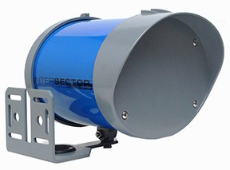 Intersector | TC-OA-SDLC | Intersector SDLC Stop bar & advanced detection; SDLC bus compatible Radar detection with presence-tracking capabilities Provides both stop bar and advanced detection capabilities in a single sensor Intersector HUB & SDLC Bus compatible |  |  |  | 7,000.00 |  | 3,125.00
 | TC-CK1-SBE-2.0 | Intersector SBE 2.0 Stop bar & advanced detection Radar detection with presence-tracking capabilities Provides both stop bar and advanced detection capabilities in a single sensor TCIB-UNI compatible |  |  |  | 7,000.00 |  | 3,125.00
Intersector Interface Products
PART # | DESCRIPTION |  |  |  |  | RETAIL |  | YOUR PRICE
TC-HUB | Intersector Hub Communication link for up to 6 Intersector SDLC sensors Integrated power supply Integrated WiFi & ethernet switch Integrated data reporting Provides sensor setup via web-based user interface Remote sensor monitoring & setup capability |  |  |  |  | 2,875.00 |  | 1,437.50
Intersector Interface Cards Communication link between the Intersector sensors and a traffic controller Provides user interface to set up and program Intersector Sensor models: SBE; 1.9 & 2.0
TCIB-UNI-2.1 | TCIB-UNI-2.1 = 2 Outputs/Single Cabinet Slot |  |  |  |  | 700.00 |  | 350.00
TCIB-UNI-4.1 | TCIB-UNI-4.1 = 4 Outputs/Single Cabinet Slot |  |  |  |  | 700.00 |  | 350.00
TCIB-UNI-4.2 | TCIB-UNI-4.2 = 4 Outputs/2 Cabinet Slots |  |  |  |  | 700.00 |  | 350.00
Intersector Accessories
PART # | DESCRIPTION |  |  |  |  | RETAIL |  | YOUR PRICE
TCIPI-4 | Intersector Power Injector Robust power supply for up to 4 sensors Injects 24V DC on the Ethernet cable between each TCIB Card and sensor |  |  |  |  | 930.00 |  | 465.00
TCIP-CC | Intersector Card Cage Hardware and Cable necessary to power and operate a TCIB-UNI-2.1 or 4.1, 60” cable assembly included |  |  |  |  | 825.00 |  | 412.50
ECX | Ethernet Cable Extender Extends the maximum cable length for sensors from 300 ft. to 600 ft. |  |  |  |  | 825.00 |  | 412.50
Click on images for additional product information at mssedco.com when applicable. Motion Sensors
 | PART # | DESCRIPTION |  |  |  | RETAIL |  | YOUR PRICE
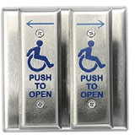 VPR-26 | VPR-26 | Long Range Sensor Detects cars up to 350 ft within target zone Selectable approach/depart or bi-direction motion detection |  |  |  | 1,000.00 |  | 500.00
 | VPR-27 | Short Range Sensor High-mount microwave motion sensor with detection range of approximately 60 feet |  |  |  | 800.00 |  | 400.00
 | Smartwalk XP & XP-S | Pedestrian Sensor Curbside pedestrian presence sensor Replaces manual buttons Automatic activation of pedestrian signals or flashing warning lights XP-S model is solar powered (Solar panel by others) |  |  |  | Call for pricing |  | XX.XX
Motion Sensor Accessories
PART # | DESCRIPTION |  |  |  |  | RETAIL |  | YOUR PRICE
TCPS-170 | Isolation Card - 170, 179, 2070 Single channel isolation/surge protection Single 12V AC output powers up to 2 sensors |  |  |  |  | 200.00 |  | 100.00
TCPS-NEMA | Isolation Card - NEMA (Cabinet) Dual channel isolation/surge protection Two 12V AC output powers up to 2 sensors |  |  |  |  | 200.00 |  | 100.00
TCPS-IRM | Isolation Relay Module Single channel isolation/surge protection Single 24V AC output powers up to 1 sensor |  |  |  |  | 70.00 |  | 35.00
Presence Sensors
PART # | DESCRIPTION |  |  |  |  | RETAIL |  | YOUR PRICE
TC-30 | Ultrasonic Presence Sensor Detects moving and stationary vehicles up to 22 ft. within target zone |  |  |  |  | Call for pricing |  | XX.XX
Misc. Accessories
PART # | DESCRIPTION |  |  |  |  | RETAIL |  | YOUR PRICE
12024 | 24 Volt Transformer Converts 120 Volts AC to 24 Volts AC Screw mount base Provides 1 Amp of power UL Listed |  |  |  |  | 30.00 |  | 12.00
TDM | Time Delay Module Provides simplified programmable timer functions for misc. applications Provides 2 independent 3-Amp output relays with wet/dry contacts Provides delay-on-make and delay-on-break functions Low voltage power input |  |  |  |  | 125.00 |  | 50.00
5706 W 74th St | Indianapolis, IN 46278 PHONE 317-842-2545 ORDERS & CUSTOMER SERVICE: custsvc@mssedco.com TECH SUPPORT: techsupport@mssedco.com WARRANTY & REPAIRS: rma@mssedco.com mssedco.com

© 2025 MS Sedco
Prices effective April 15, 2025. Subject to change without notice.
MS Sedco proudly assembled in the USA

